Challenge
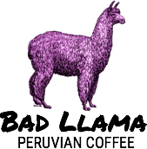 | CUSTOMER INVOICE Bad Llama Peruvian Coffe 2121 14th Avenue Circle Drive Raleigh, NC 27607 |  | Invoice #: 40592 Date: 7/17/15
ITEM DESCRIPTION | UNIT PRICE | QUANTITY | LINE TOTAL
Cusco Dark Roost | $6.59 | 3 | $19.77
Amazon Amanecer Breakfast Roast | $6.89 | 8 | $55.12
Sacred Valley Medum Roast | $6.49 | 10 | $64.90
Machu Picchu Special Blend | $7.29 | 2 | $14.58
 |  | TAX: | $11.58
 |  | TOTAL: | $165.95

